F.7,18_GUI
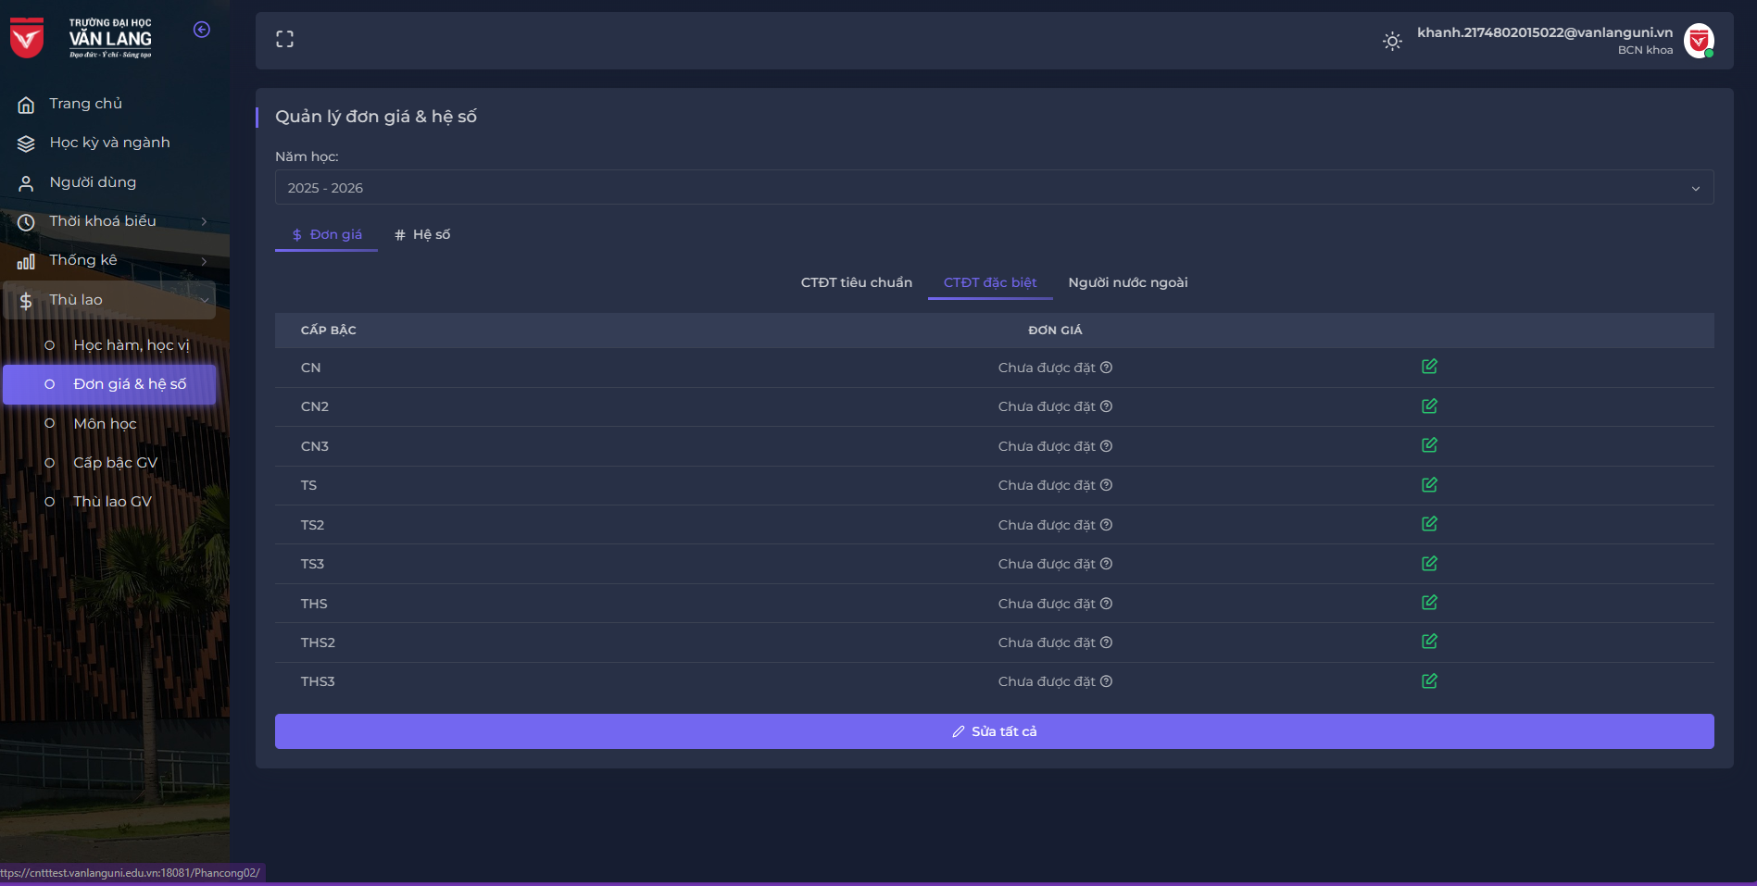
Backlog ID | Backlog Item | User Story Description | Acceptance Criteria
PB_56 | Update remuneration coefficient | As a Faculty board, I want to update remuneration coefficient so that I can edit a unit price or coefficient's information to manage the unit price and coefficient in year for calculating lecturer remuneration and converted hours | AC01 | Only Faculty board can update remuneration coefficient, including unit price, and coefficients.
 |  |  | AC02 | Academic degree rank id is not allowed to update.Academic degree rank id is not allowed to update.
 |  |  | AC03 | After successfully saving the input data, the system closes the Update form modal, displaying the message "Saved successfully!" in the upper right corner of the screen & automatically hides after 5 seconds.
 |  |  | AC04 | The Update interface is opened as a popup window and the user can freely move the form (draggable). The user cannot operate with create, update or delete functions while the Update form is open.
 |  |  | AC05 | The system will format unit price field as thousand separator as user types.
 |  |  | AC06 | The user can set the coefficient in schoolyear as 2 decimal places.
 |  |  | AC07 | While the Update modal is displaying, if the user changes schoolyear, the Update modal will be dismissed.

